RF calculations
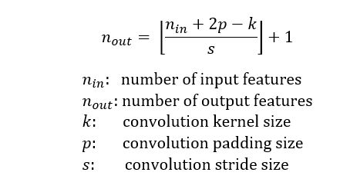
Step | r-in | j-in | Input Channels | Outut Channels | n-in: Input Features | p:Padding | k: Kernel Size | s: Stride | Dilation | Groups | n-out: Output Features | r-out | j-out | Parameters
1 | 1 | 1 | 3 | 32 | 32 | 1 | 3 | 2 | 1 | 1 | 16 | 3 | 2 | 896
2 | 3 | 2 | 32 | 32 | 16 | 1 | 3 | 1 | 1 | 32 | 16 | 7 | 2 | 289 | 32*64
3 | 7 | 2 | 32 | 64 | 16 | 0 | 1 | 1 | 1 | 1 | 16 | 7 | 2 | 2112
4 | 7 | 2 | 64 | 64 | 16 | 1 | 3 | 1 | 1 | 64 | 16 | 11 | 2 | 577 | 64*128
5 | 11 | 2 | 64 | 128 | 16 | 0 | 1 | 1 | 1 | 1 | 16 | 11 | 2 | 8320
6 | 11 | 2 | 128 | 128 | 16 | 1 | 3 | 1 | 1 | 128 | 16 | 15 | 2 | 1153 | 128*128
7 | 15 | 2 | 128 | 128 | 16 | 0 | 1 | 1 | 1 | 1 | 16 | 15 | 2 | 16512
8 | 15 | 2 | 128 | 128 | 16 | 0 | 3 | 2 | 1 | 128 | 7 | 19 | 4 | 1153 | 128*128 S:2
9 | 19 | 4 | 128 | 128 | 7 | 0 | 1 | 1 | 1 | 1 | 7 | 19 | 4 | 16512
10 | 19 | 4 | 128 | 128 | 7 | 1 | 3 | 1 | 1 | 128 | 7 | 27 | 4 | 1153 | 128*128
11 | 27 | 4 | 128 | 128 | 7 | 0 | 1 | 1 | 1 | 1 | 7 | 27 | 4 | 16512
12 | 27 | 4 | 128 | 128 | 7 | 1 | 2 | 2 | 1 | 128 | 4 | 31 | 8 | 513 | 128*128 S:2
13 | 31 | 8 | 128 | 128 | 4 | 0 | 1 | 1 | 1 | 1 | 4 | 31 | 8 | 16512
14 | 31 | 8 | 128 | 128 | 4 | 1 | 3 | 1 | 1 | 128 | 4 | 47 | 8 | 1153 | 128*128
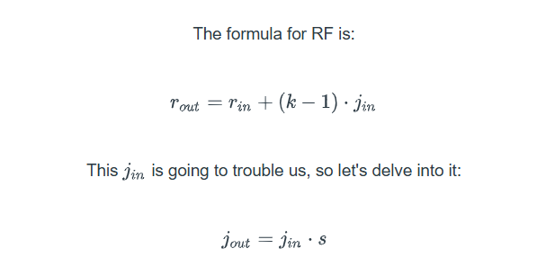
15 | 47 | 8 | 128 | 128 | 4 | 0 | 1 | 1 | 1 | 1 | 4 | 47 | 8 | 16512
16 | 47 | 8 | 128 | 128 | 4 | 1 | 3 | 1 | 1 | 128 | 4 | 63 | 8 | 1153 | 128*128
17 | 63 | 8 | 128 | 128 | 4 | 0 | 1 | 1 | 1 | 1 | 4 | 63 | 8 | 16512
18 | 63 | 8 | 128 | 128 | 4 | 1 | 3 | 1 | 1 | 128 | 4 | 79 | 8 | 1153 | 128*128
19 | 79 | 8 | 128 | 128 | 4 | 0 | 1 | 1 | 1 | 1 | 4 | 79 | 8 | 16512
20 | 79 | 8 | 128 | 128 | 4 | 1 | 3 | 1 | 1 | 128 | 4 | 95 | 8 | 1153 | 128*128
21 | 95 | 8 | 128 | 128 | 4 | 0 | 1 | 1 | 1 | 1 | 4 | 95 | 8 | 16512

 |  |  |  |  |  |  |  |  |  |  |  |  |  | 152874

